Specification
 |  |  |  |  |  |  |  |  |  |  |  |  |  |  |  |  |  |  |  | 39 | 40 | 41 |  | 42 |  | 43 | 44 | 45 | 46 |  | MALE
 |  |  |  |  |  |  |  |  |  |  |  |  |  |  |  |  | 1915 |  | 36 | 37 | 38 |  | 39 | 40 | 41 | 42 |  |  |  |  | FEMALE
SEASON | ARTICLE | IMAGE 1 | IMAGE 2 | IMAGE 3 | COLOR | COLOR DESCRIPTION | PRODUCT NAME | SUPPL. DESCRIPTION | COMPOSITION 1 | PARENT GROUP | GENDER | BRAND | MADE IN | WHS | RRP | SIZE COUNT | QTY | 3XL | 6 | 6.5 | 7.5 | 8 | 8.5 | 9 | 9.5 | 10 | 11 | 11.5 | 12 | 45
SS 2023 | NP0A4HL6 | 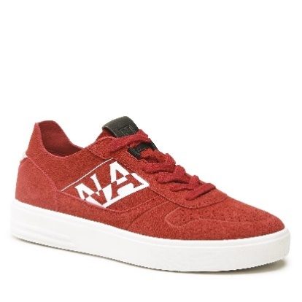 | 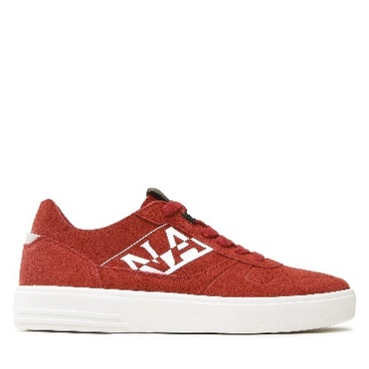 | 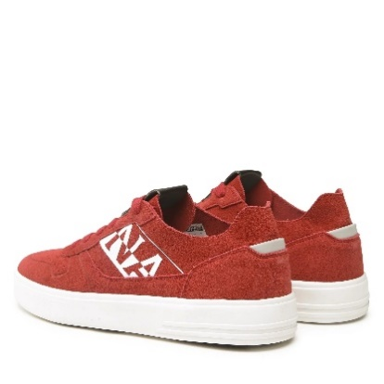 | R05 | RED CHERRY | SNEAKERS | S3BARK06/SUE | 93% COW LEATHER 7% POLYURETHANE | ADULT | MALE | NAPAPIJRI | CHINA | €57.20 | €139.00 | 7 | 99 |  |  |  | 3 | 9 |  | 16 |  | 25 | 22 | 12 | 12
SS 2023 | NP0A4HLL | 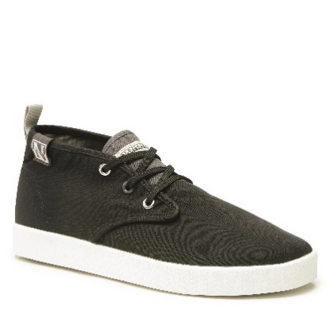 | 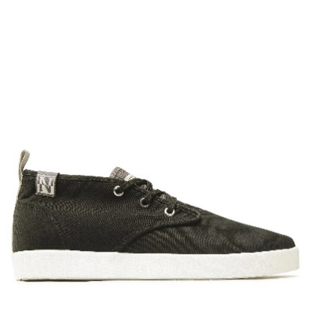 | 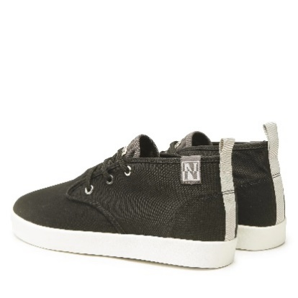 | 041 | BLACK | SNEAKERS | MAN CANVAS SNEAKER | 100% COTTON | ADULT | MALE | NAPAPIJRI | CHINA | €44.00 | €106.92 | 7 | 94 |  |  |  | 7 | 13 |  | 21 |  | 22 | 17 | 10 | 4
FW 2023 | NP0A4GTB | 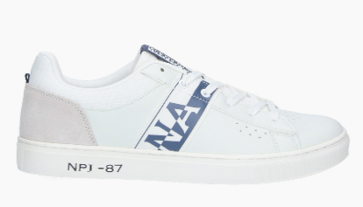 | 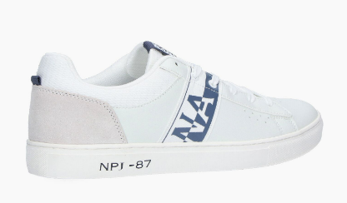 | 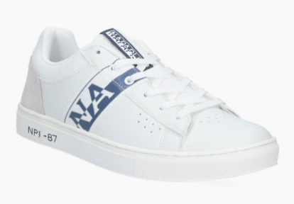 | 01A | WHITE/NAVY | SNEAKERS | MAN SNEAKER | 62% POLYURETHANE 28% POLYESTER 10% COW LEATHER | ADULT | MALE | NAPAPIJRI | CHINA | €41.80 | €100.32 | 1 | 14 |  |  |  |  |  |  | 14
SS 2023 | NP0A4HL8 | 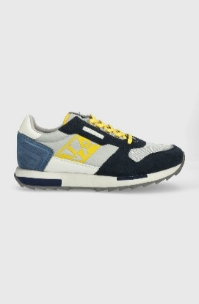 | 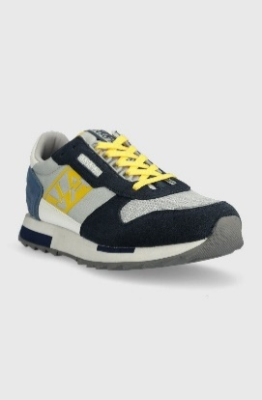 | 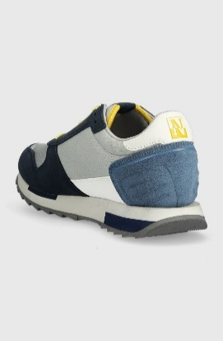 | 01K | GREY/NAVY | SNEAKERS | MAN SUEDE/NYLON RUNNING | 51% COW LEATHER 40% POLYESTER 9% POLYURETHANE | ADULT | MALE | NAPAPIJRI | CHINA | €52.80 | €128.31 | 1 | 1 |  |  |  |  |  |  |  |  |  |  |  | 1
SS 2023 | NP0A4HL9 | 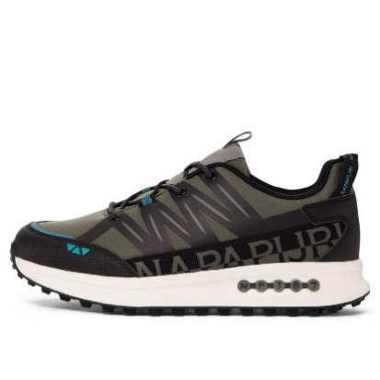 | 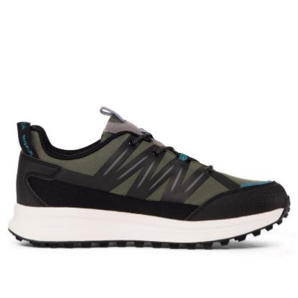 | 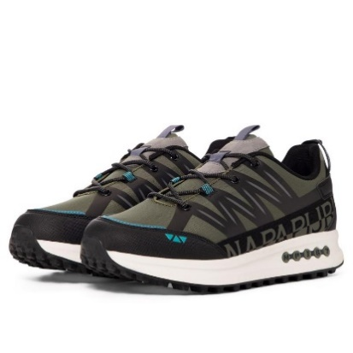 | 7M71 | GREEN/BLACK | SNEAKERS | MAN NYLON RUNNING | LEATHER-SYNTHETIC / POLYURETHANE | ADULT | MALE | NAPAPIJRI | NO INFO | €22.88 | €57.20 | 1 | 1 |  |  |  |  |  |  |  |  |  |  |  |  | 1
SS 2023 | NP0A4HL9 | 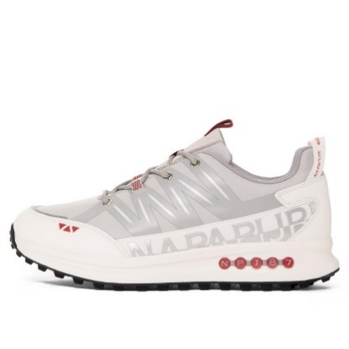 | 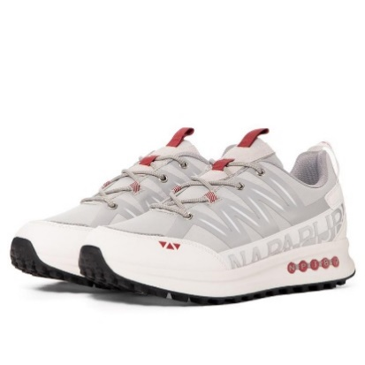 | 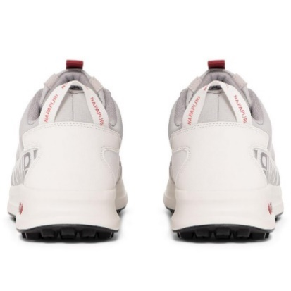 | NS5 | WHITECAP GRAY | SNEAKERS | MAN NYLON RUNNING | LEATHER-SYNTHETIC / POLYURETHANE | ADULT | MALE | NAPAPIJRI | NO INFO | €57.20 | €139.00 | 1 | 1 |  |  |  |  | 1
SS 2023 | NP0A4HKY | 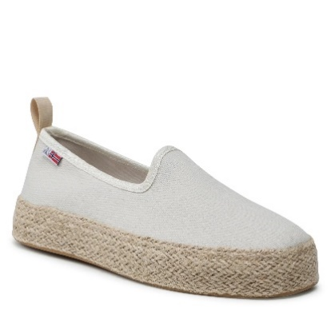 | 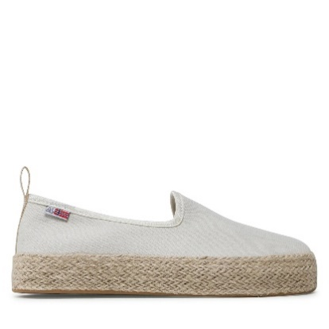 | 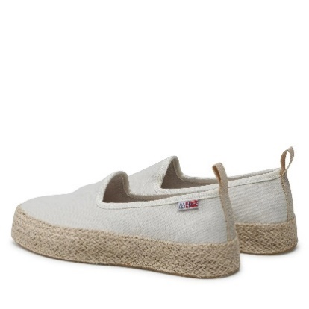 | 002 | BRIGHT WHITE | SLIP ON | S3GROVE01/CAN | 100% COTTON | ADULT | FEMALE | NAPAPIJRI | CHINA | €44.00 | €106.92 | 6 | 84 |  | 7 | 15 | 21 |  | 24 | 13 | 4
SS 2023 | NP0A4HKY | 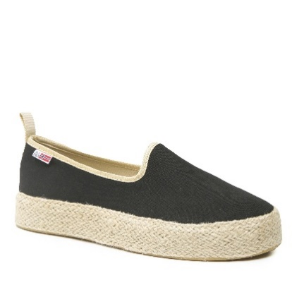 | 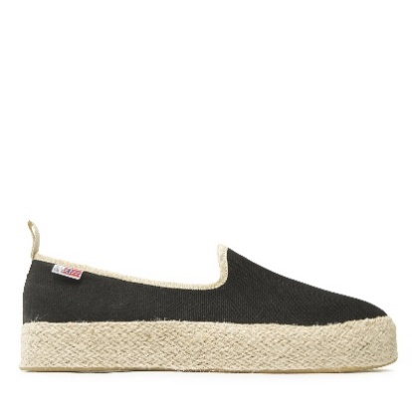 | 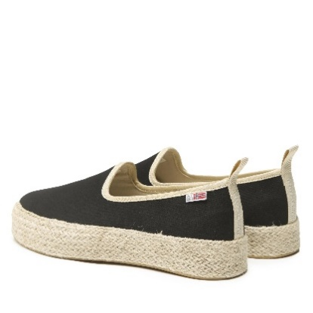 | 041 | BLACK | SLIP ON | S3GROVE01/CAN | 100% COTTON | ADULT | FEMALE | NAPAPIJRI | CHINA | €44.00 | €106.92 | 6 | 70 |  | 9 | 12 | 18 |  | 16 | 10 | 5
SS 2023 | NP0A4HKY | 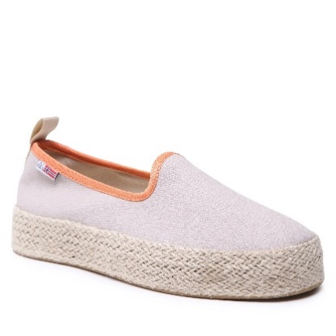 | 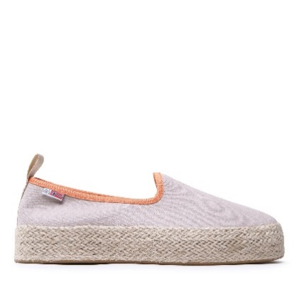 | 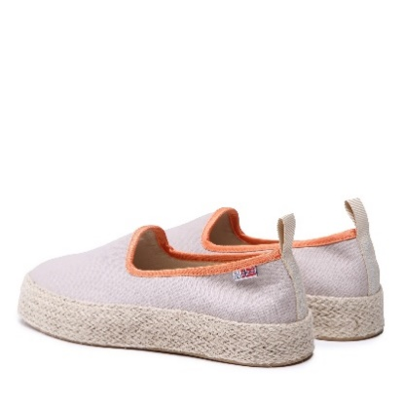 | NB7 | HUMUS BEIGE | SLIP ON | S3GROVE01/CAN | 100% COTTON | ADULT | FEMALE | NAPAPIJRI | CHINA | €44.00 | €105.60 | 6 | 97 |  | 10 | 17 | 23 |  | 23 | 15 | 9
SS 2023 | NP0A4HKY | 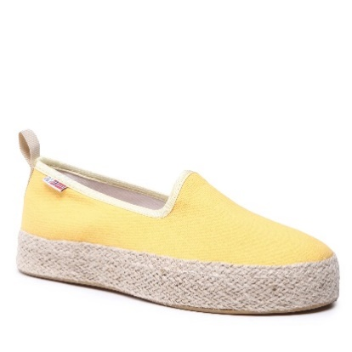 | 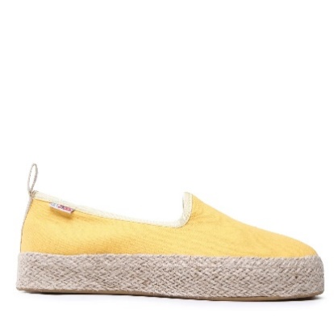 | 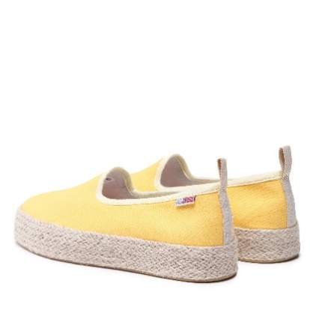 | YA7 | FREESIA YELLOW | SLIP ON | S3GROVE01/CAN | 100% COTTON | ADULT | FEMALE | NAPAPIJRI | CHINA | €44.00 | €106.92 | 6 | 80 |  | 6 | 13 | 24 |  | 20 | 11 | 6
FW 2022 | NP0A4H76 | 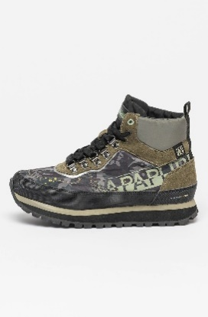 | 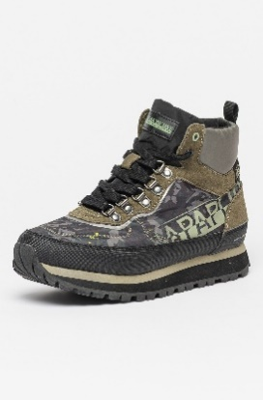 | 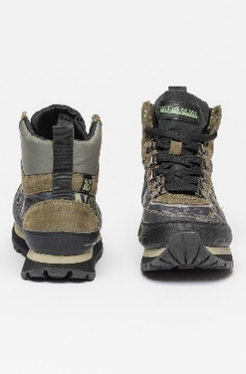 | FL3 | FLOWER FTW | ANKLE BOOTS | WOMAN NYLON/SUEDE OUTDOOR - WINTERPROOF | 45% TEXTILE (100% POLYESTER) 35% COW LEATHER 20% SYNTHETIC (50% POLYESTER 50% POLYURETHANE) | ADULT | FEMALE | NAPAPIJRI | CHINA | €78.10 | €187.44 | 7 | 100 |  | 10 | 14 | 21 |  | 21 | 20 | 12 | 2
FW 2022 | NP0A4H7Q | 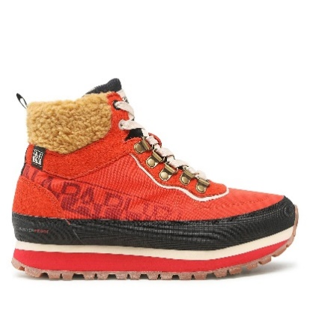 | 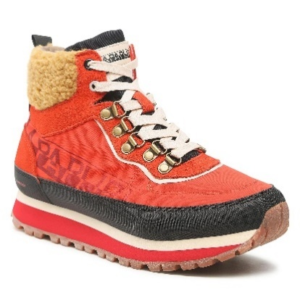 | 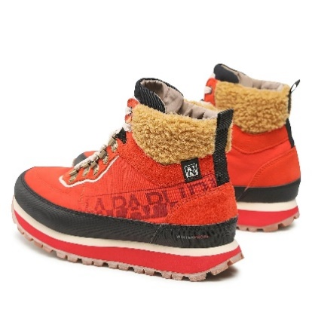 | RR9 | RED POPPY | ANKLE BOOTS | WOMAN RECYCLED NYLON/SUEDE OUTDOOR-WINTERPROOF | 45% TEXTILE (100% POLYESTER) 40% COW LEATHER 15% SYNTHETIC (50% POLYESTER 50% POLYURETHANE) | ADULT | FEMALE | NAPAPIJRI | CHINA | €82.50 | €198.00 | 6 | 96 |  | 10 | 15 | 24 |  | 23 | 16 | 8
NO INFO | NP0A4H7B | 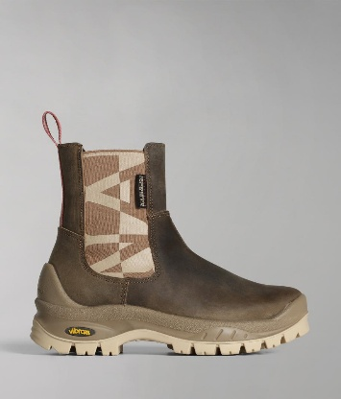 | 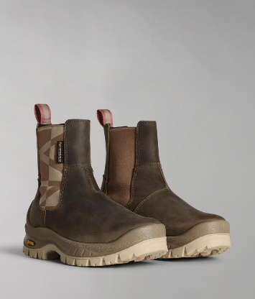 | 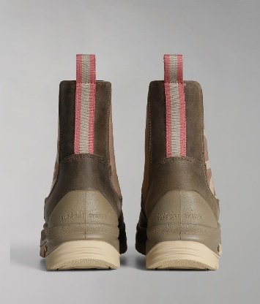 | Z28 | TAUPE | BOOTS | WOMAN LEATHER CHELSEA BOOT | UPPER COMPOSITION: 80% COW LEATHER 20% TEXTILE (75% POLYESTER 25% RUBBER) | ADULT | FEMALE | NAPAPIJRI | UKRAINE | €91.30 | €205.43 | 6 | 108 |  | 11 | 18 | 26 |  | 28 | 19 | 6
SS 2023 | NP0A4HMD | 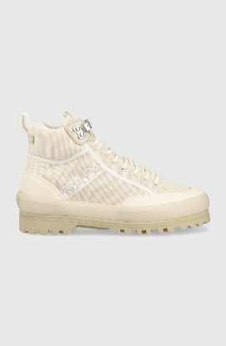 | 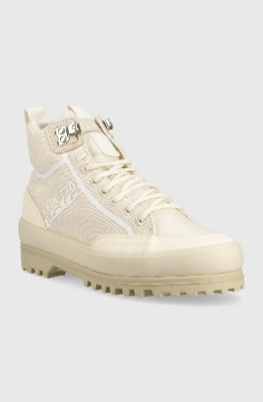 | 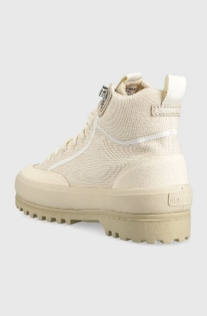 | NB4 | MINERAL BEIGE | BOOTS | WOMAN CANVAS BOOT | UPPER COMPOSITION: 96% COTTON 2% POLYESTER 2% COW LEATHER | ADULT | FEMALE | NAPAPIJRI | VIETNAM | €77.50 | €188.33 | 6 | 250 |  | 42 | 42 | 41 |  | 42 | 42 | 41
SS 2023 | NP0A4HMD | 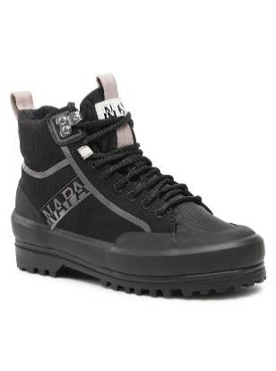 | 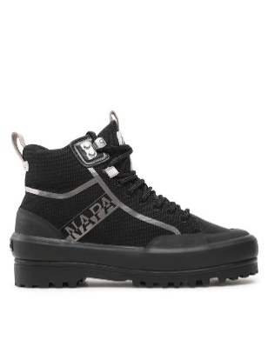 | 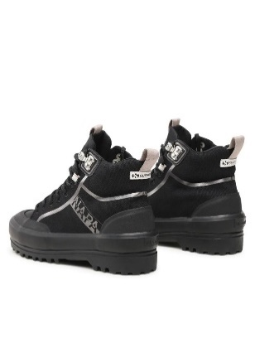 | Z02 | BLACK/GREY | BOOTS | WOMAN CANVAS BOOT | UPPER COMPOSITION: 96% COTTON 2% POLYESTER 2% COW LEATHER | ADULT | FEMALE | NAPAPIJRI | VIETNAM | €77.50 | €188.33 | 6 | 258 |  | 43 | 43 | 43 |  | 43 | 43 | 43
SS 2023 | NP0A4HMD | 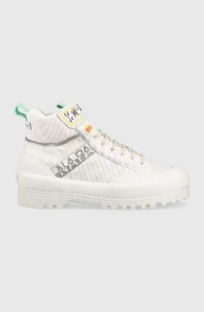 |  | 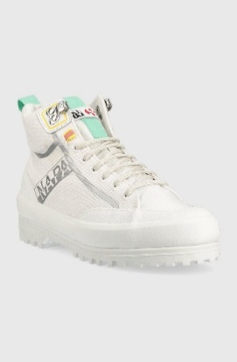 | 002 | BRIGHT WHITE | BOOTS | WOMAN CANVAS BOOT | UPPER COMPOSITION: 96% COTTON 2% POLYESTER 2% COW LEATHER | ADULT | FEMALE | NAPAPIJRI | VIETNAM | €77.50 | €188.33 | 5 | 270 |  | 45 | 45 | 90 |  | 45 | 45
SS 2023 | NP0A4HMD | 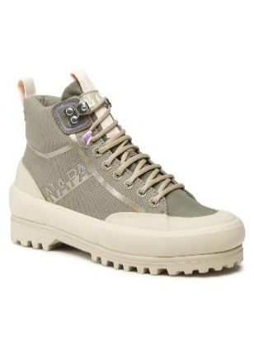 | 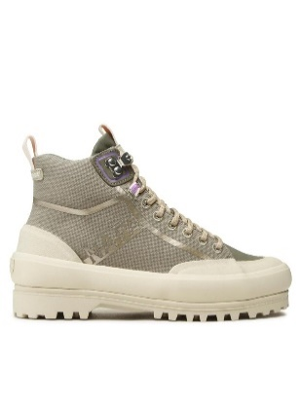 | 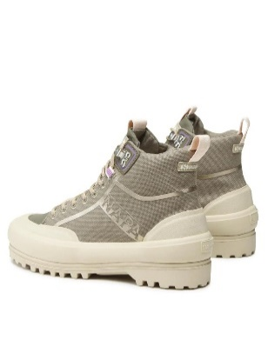 | GAE | GREEN LICHEN | BOOTS | WOMAN CANVAS BOOT | UPPER COMPOSITION: 96% COTTON 2% POLYESTER 2% COW LEATHER | ADULT | FEMALE | NAPAPIJRI | VIETNAM | €77.50 | €188.33 | 5 | 254 |  | 42 | 43 | 84 |  | 42 | 43
FW 2022 | NP0A4H71 |  |  |  | Z86 | GREY | ANKLE BOOTS | MAN NYLON/SUEDE OUTDOOR - WINTERPROOF | 45% TEXTILE (100% POLYESTER) 35% COW LEATHER 20% SYNTHETIC (50% POLYESTER 50% POLYURETHANE) | ADULT | MALE | NAPAPIJRI | CHINA | €80.30 | €192.72 | 6 | 29 |  |  |  | 2 | 6 |  | 7 |  | 6 | 6 | 2
FW 2022 | NP0A4H73 |  |  |  | Z28 | TAUPE | ANKLE BOOTS | MAN LEATHER CHELSEA BOOT | 80% COW LEATHER 20% TEXTILE (75% POLYESTER 25% RUBBER) | ADULT | MALE | NAPAPIJRI | UKRAINE | €91.30 | €219.12 | 3 | 9 |  |  |  |  |  |  |  |  |  | 4 | 2 | 3

